0.Steps
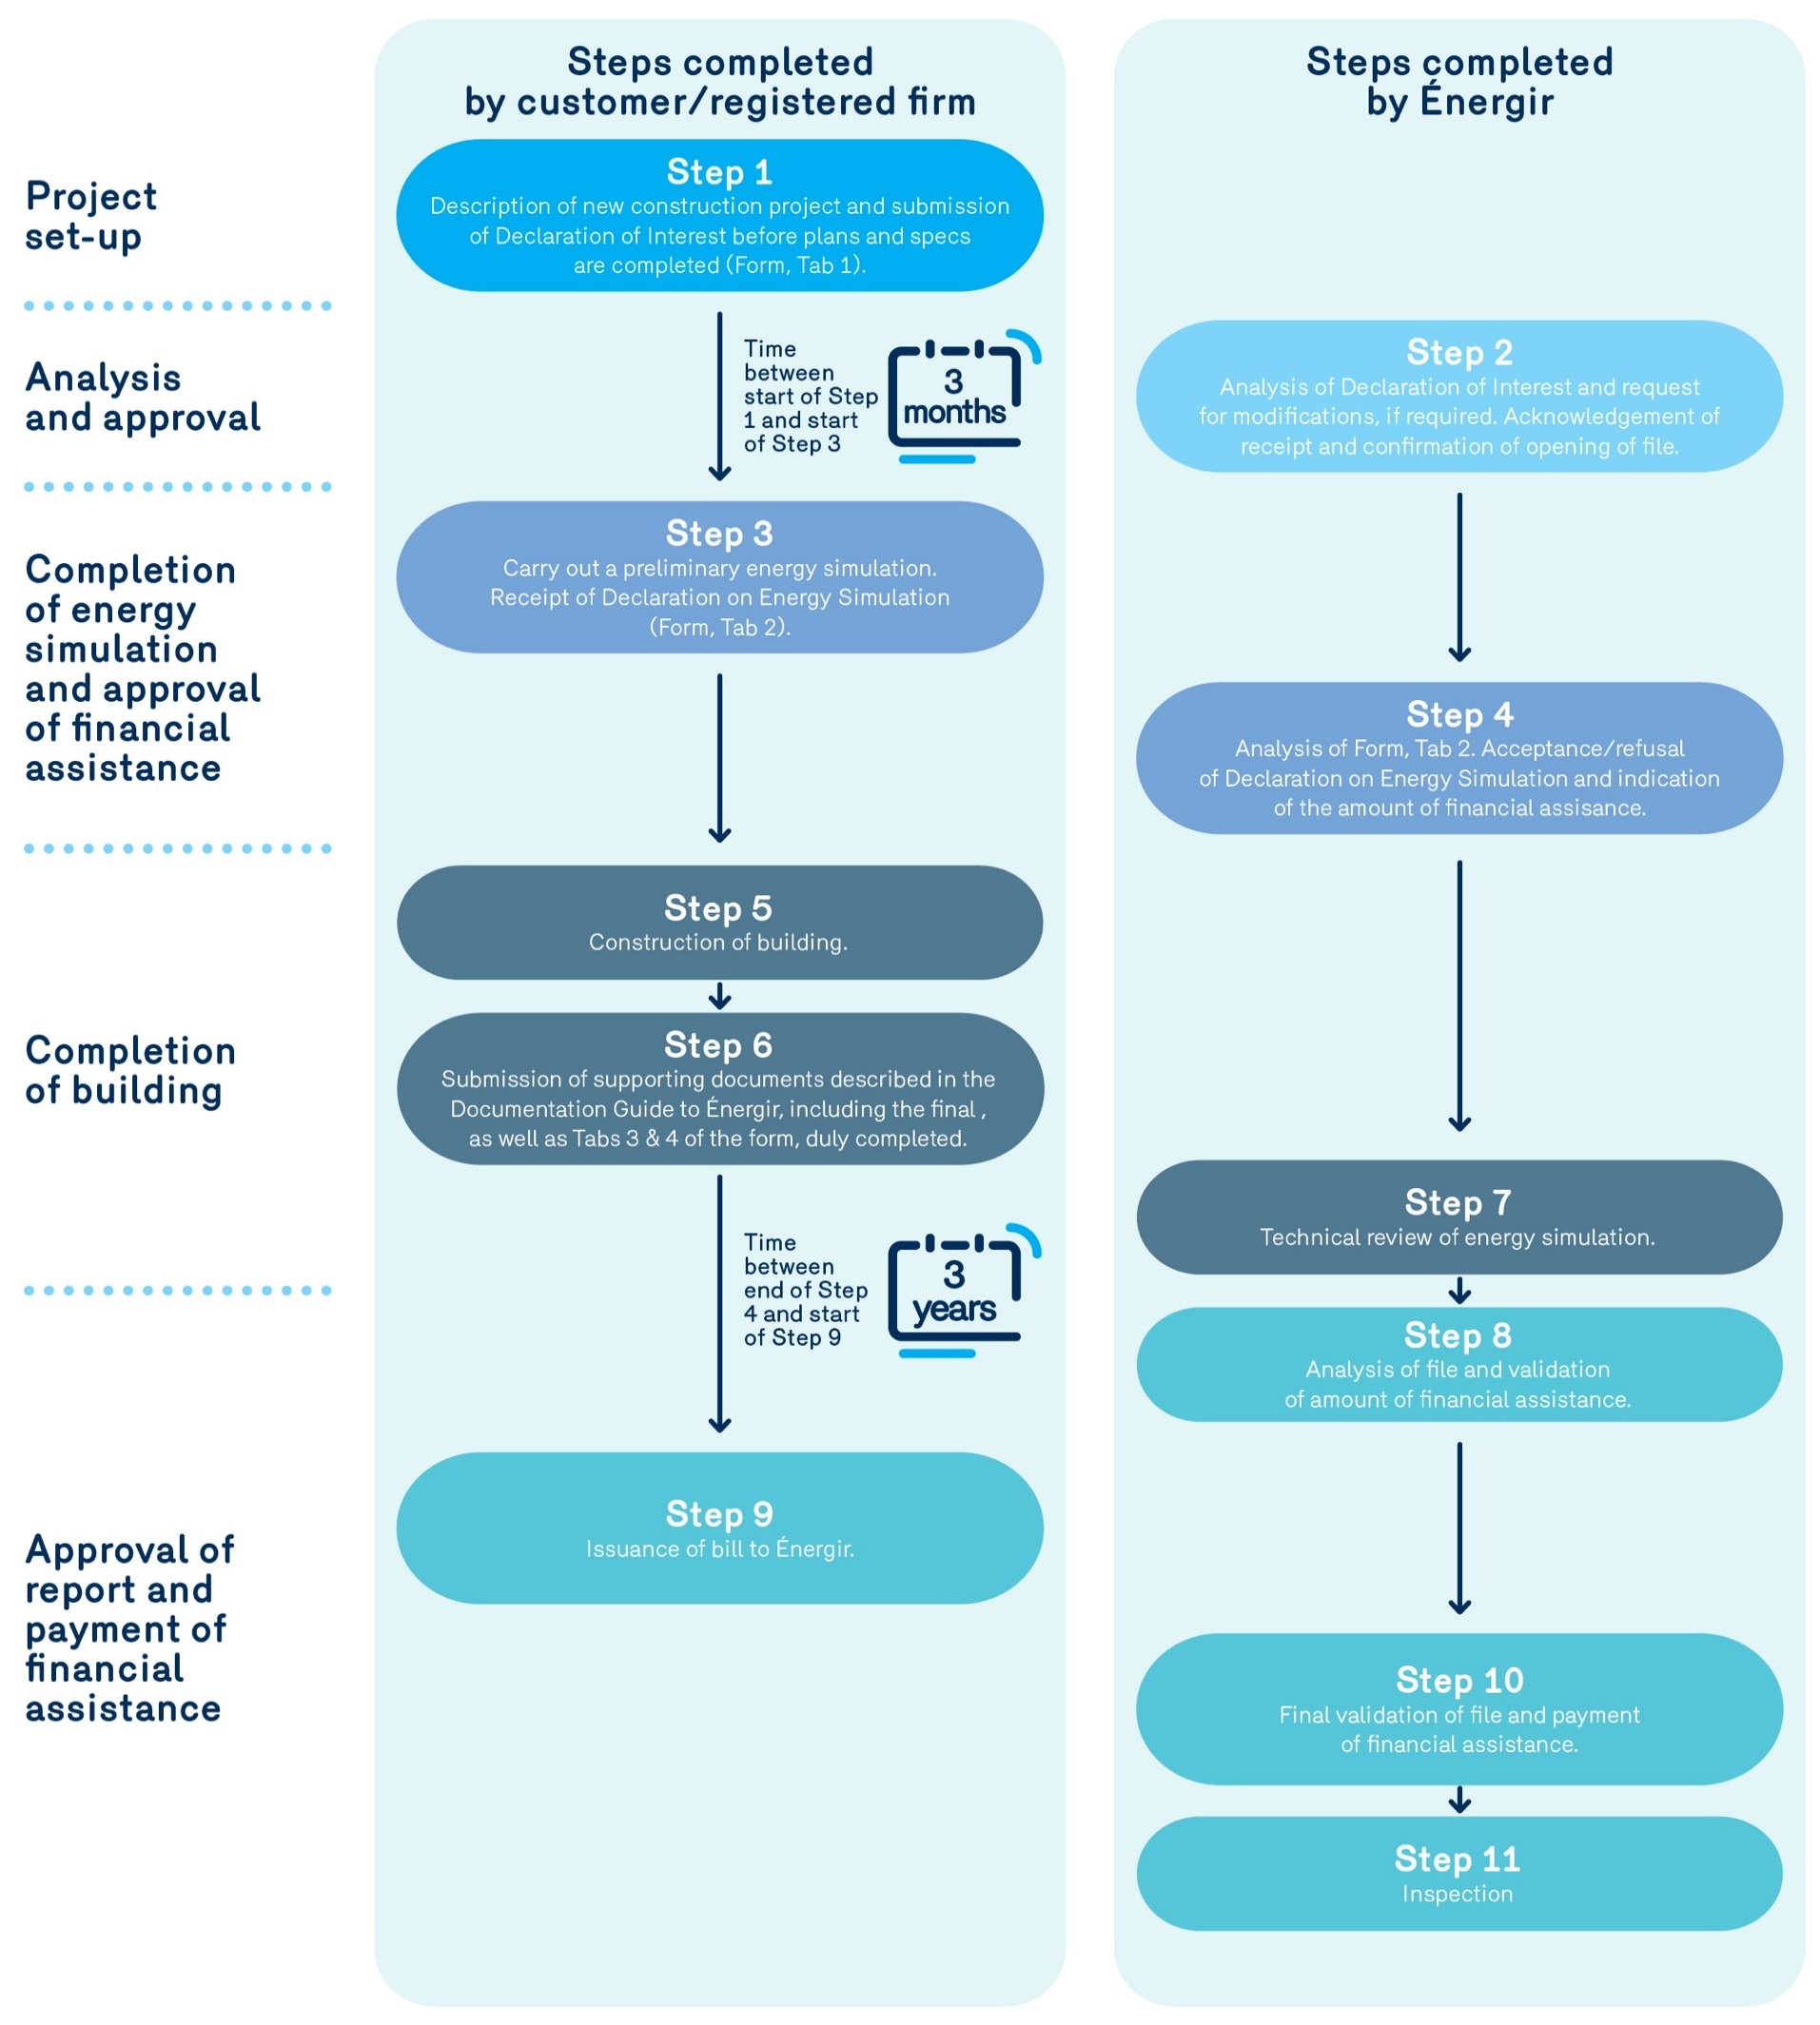

0. Completion steps
New Efficient Construction

Here are the major steps in the New Efficient Construction Grant Please consult the Guide for more information at:
https://www.energir.com/en/business/grants/energy-efficiency-programs/new-efficient-construction/

